Task-->
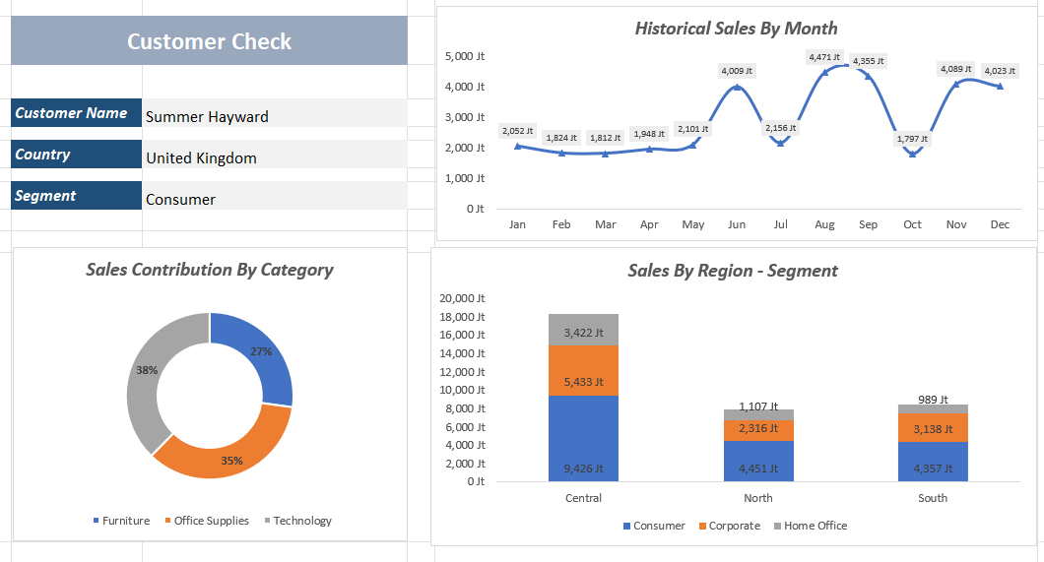
Intruksi !!!
1. Buat Pivot table summary data penjualan per tahun
2. Buat summary data penjualan dan profit per ship mode
3. Buat summary Top 10 product dengan quantity paling tinggi
4. Buat calculation field %Profit terhadap sales
5. Filter customer name dengan %profit >= 40%
6. Buat summary data penjualan per product category
7. Buat summary data penjualan per city
8. Buat Dashboard / Pivot Chart sesuai dengan tampilan gambar dikanan
9. Buat mesin pencarian nama customer, jika belum di isi muncul "isi nama customer"
10. Buat recording macro VBA untuk cleansing data sheet customer agar otomatis

Your Dashboard


 | Total
Jan | 2,052,475,298
Feb | 1,824,273,355
Mar | 1,812,326,381
Apr | 1,947,666,417
May | 2,101,207,150
Jun | 4,009,286,312
Jul | 2,155,750,247
Aug | 4,470,911,468
Sep | 4,355,320,812
Oct | 1,797,370,540
Nov | 4,089,095,045
Dec | 4,022,899,962
3
 | Customer Check

 | Customer Name | Alta Nokes

 | Country | Germany

 | Segment | Home Office

Sales Person By Category
 | Total
Furniture | 27%
Office Supplies | 35%
Technology | 38%
1
 | Consumer | Corporate | Home Office
Central | 9,425,822,856 | 5,432,583,837 | 3,421,849,200
North | 4,451,103,091 | 2,316,164,177 | 1,106,732,227
South | 4,357,429,969 | 3,138,292,946 | 988,604,682
2

